About
BPHC BAU Pumped Hydro Capacity

Source: | California Energy Commission
 | Tracking Progress - Energy Storage
 | August 2018 update
 | https://www.energy.ca.gov/renewables/tracking_progress/documents/energy_storage.pdf

Notes: | Capacity as of 2017 | 4397 | existing capacity
 | Key table fro CEC source shown below.

 | Text from excerpt below implies that additional 1300 is expected in the next few years.
 | This is projected to occur in 2021 | 1300 | MW new capacity
 | However, since the facility is not yet operational, and we are unsure of the level of confidence
 | that should be ascribed to its completion, this additional capacity is not
 | counted on in the BAU scenario.
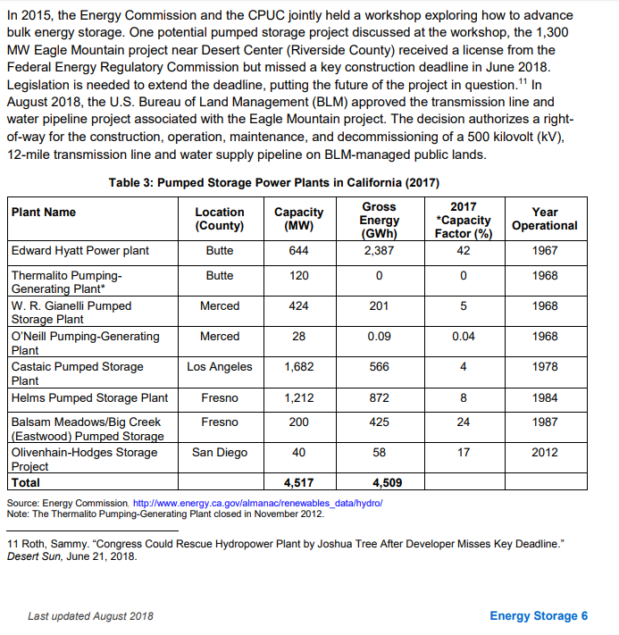

 | For background, data are also included from:
 | Energy + Environmental Economics, Inc.
 | California Pathways model, 2030 Scoping Plan Analysis
 | September 2017 release
 | Model documentation: https://www.arb.ca.gov/cc/scopingplan/california_pathways_model_framework_jan2017.pdf
 | Discussion of model application for Scoping Plan: https://www.arb.ca.gov/cc/scopingplan/2030sp_appd_pathways_final.pdf
 | Model itself downloadable (as of July 26, 2018): https://www.arb.ca.gov/cc/scopingplan/pathways_arb_2.4.1_101917.zip

